Content
Content

Task to do
Sensor & Nodes
• XM1000 (aka TelosB) as basic node
• DS1000 as gas sensor (CO, CO2 )
• VH400 as soil moisture sensor
• Temperature and humidity sensors (SHT11)
• Light sensors (Hamamatsu)
• Raspberry Pi as base station

Plant Living Condition
• Peperomia(Radiator Plant)
• Kalanchoe

Positioning of nodes
Soldering of Sensor
References
Team members

Task to do
Task to do

Task | Status | Date
Get a Driver information | Done | 21-01-2014
soldering of sensor | Done | 30-01-2014
Positioning of sensor | Done | 30-01-2014
Analyze the drivers code and take reading of sensors to know the functionality and rang of sensor | Temperature sensor : Arjun Co2, sensor :Konstantin Light Sensor : Pratyush Soil mositure sensor 1: Refat Soil mositure sensor 2: Rick Done | 30-01-2014 to 11-02-2014 Next meeting : 12-02-2014
Code Mergin and Testing on Tudunet | Done | 12-02-2014 to 24-02-2014 Next meeting : 26-02-2014
Coding API and Accuators | Done | 28-02-2014
Testing & Monitoring | Done | 28-02-2014 to 2-03-2014
Sampling & Visualization | Done | 28-02-2014 to 2-03-2015
Mid Term Evaluation | Done | 2014-04-03
Testing & Optimization | Done | 2014-05-03
Final Testing | Done | 21/3/2014
Documentation | Done | 26/3/2104

Sesnor & Nodes
Nodes and Sensors

 |  |  |  | s
Category | Device Name | Driver Name | Device Image
Basic Node : | • XM1000 (aka TelosB) as basic node |  | 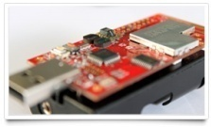
On Board Sensors: | • Light sensors (Hamamatsu) | dev/light-sensor.h | 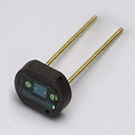
 | • Temperature and humidity sensors (SHT11) | dev/sht11-sensor.h | 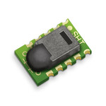
Co2 Sensor : | • DS1000 as gas sensor (CO, CO2 ) | ds1000-sensor.h
Soil Moisture Sensor : | • VH400 as soil moisture sensor | vh400.h
Base Station : | • Raspberry Pi as base station

XM1000 (Basic node)
XM1000 (aka TelosB) as basic node

Item | Specification | Description
Processor
Processor Model | TI MSP430F2618 | Texas Instruments MSP430 family
Memory | 116KB | Program flash
 | 8KB | Data RAM
 | 1MB | External Flash (ST® M25P80)
ADC | 12bit resolution | 8 channels
Interfaces | UART, SPI, I2C | Serial Interfaces
 | USB | External System Interface (FTI® FT232BM)
Radio
RF Chip | TI CC2420 | IEEE 802.15.4 2.4GHz Wireless Module
Frequency Band | 2.4GHz ~ 2.485GHz | IEEE 802.15.4 compliant
Sensitivity | -95dBm typ | Receive Sensitivity
Transfer Rate | 250Kbps | IEEE 802.15.4 compliant
RF Power | -25dBm ~ 0dBm | Software Configurable
Range | ~120m(outdoor), 20~30m(indoor) | Longer ranges possible with optional SMA antenna attached
Current Draw | RX: 18.8mA TX: 17.4mA Sleep mode: 1uA | Lower RF Power Modes reduce consumption
RF Power Supply | 2.1V ~ 3.6V | CC2420 Input Power
Antenna | Dipole Antenna / PCB Antenna | Additional SMA connector available for extra antenna
Sensors
Light 1 | Hamamatsu® S1087 | Visible Range (560 nm peak sensitivity wavelength)
Light 2 | Hamamatsu® S1087-01 | Visible & Infrared Range (960 nm peak sensitivity wavelength)
Temperature & Humidity | Sensirion® SHT11 | Temperature Range: -40 ~ 123.8 ºC
 |  | Temperature Resolution: : ± 0.01(typical)
 |  | Temperature Accuracy: ± 0.4 ºC (typical)
 |  | Humidity Range: 0 ~ 100% RH
 |  | Humidity Resolution: 0.05 (typical)
 |  | Humidity Accuracy: ± 3 %RH (typical)
Electromechanical Characteristics
Dimensions | 81.90mm x 32.50mm x 6.55mm | Including USB connector
Weight | 17.7g | Without batteries
Power | 3V (2xAA Battery Holder Provided) | MICREL® MIC5207 Power Regulator

NOTE : http://www.advanticsys.com/shop/asxm1000-p-24.html http://www.advanticsys.com/wiki/index.php?title=XM1000

DS1000 ( Gas Sensor )
DS1000 as gas sensor (CO, CO2 )

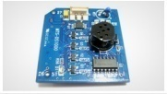
ITEM | Specification | Description
Sensors
CO | NIDS Co® GS-02A | Resistive-based technology
CO2 | SOHA TECH® | Voltage output based

 | NTC-103F397F
Connectors & Jumpers
51-pin connector | Hirose® DF9B-51S-1V | Attachable with CMXXXX series of motes

VH400 ( Soil moisture sensor )
VH400 as soil moisture sensor

Soil Moisture Sensor Probe Applications

Irrigation and sprinkler systems.
Moisture monitoring of bulk foods.
Rain and weather monitoring.
Environmental monitoring.
Water conservation applications.
Fluid level measurements. |  | VH400 Soil Moisture Sensor Probe Drawing
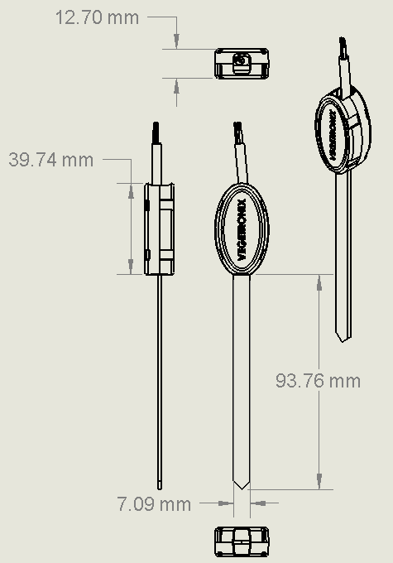
Soil Moisture Sensor Probe Features

Extreme low cost with volume pricing.
Not conductivity based.
Insensitive to salinity.
Probe does not corrode over time.
Rugged design for long term use.
Small size.
Consumes less than 600uA for very low power operation.
Precise measurement.
Measures volumetric water content (VWC) or gravimetric water content (GWC).
Patent pending technology.
Output Voltage is proportional to moisture level.
Wide supply voltage range.
Can be buried and is water proof.
Probe is long and slender for wider use, including smaller potted plants.

Soil Moisture Sensor Probe Specifications

VH400 Probe (Standard Voltage Probe)
Power consumption | < 7mA
Supply Voltage | 3.3V to 20 VDC.
Dimensions | See drawing below.
Power on to Output stable | 400 ms
Output Impedance | 100K ohms
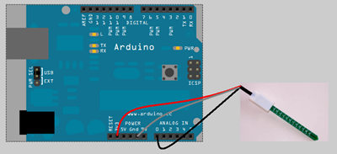
Operational Temperature | -40ºC to 85ºC
Output | 0 to 3V related to moisture content
Shell Color | Red
Voltage Output Curves | Curves

Soil Moisture Sensor Probe Wiring Table

Bare | Ground
Red | POWER: 3.3V to 20 VDC.
Black | OUT: (0 to 3V related to moisture content.)

NOTE : | Our high frequency VH400 series soil moisture sensor probes enable precise low cost monitoring of soil water content. Because our probe measures the dielectric constant of the soil using transmission line techniques, it is insensitive to water salinity, and will not corrode over time as does conductivity based probes. Our probes are small, rugged, and low power. Compared to other low cost sensor such as gypsum block sensors, our probes offer a rapid response time. They can be inserted and take an accurate reading in under 1 second. The VH400 consumes more power than the VG400 series sensors because it operates at a much higher frequency, however, it is much more sensitive at higher VWC levels, and it's curves are more linear. Probes come standard with a 2 meter cable

SHT11 ( Temp & Humidity senso )
Temperature and humidity sensors (SHT11)

SHT11 Specification
SENSOR, HUMIDITY & TEMP | 3.3V
Sensing Accuracy | 3%
Humidity Range | 0% to 100%
Sensitivity | ± 1%
Sensor Output1 | Digital
Sensor Terminals | SMD
Response Time | 8s
Supply Voltage Min | 2.4VDC
Supply Voltage Max | 5.5VDC
Operating Temperature Min | -40°C
Operating Temperature Max | 123.8°C
Humidity Sensor Type | Capacitive
Hysteresis | 1%
Lead Spacing | 1.27mm
No. of Pins | 8
Operating Temperature Range | -40°C to +123.8°C
Repeatability | 0.10%
Sensor Supply Voltage | 2.4V DC to 5.5V DC
Energy consumption | 80uW (at 12bit, 3V, 1 measurement / s)
RH operating range | 0 - 100% RH
RH response time | 8 sec (tau63%)
Output | digital (2-wire interface)

Item | Specification | Description
General
Power Consumption | Sleep: 2µW - 5µW | Values for VDD=3.3V at 25°C
 | Measuring: 3mW | Average value at one 12bit measurement per second.
 | Average: 90µW
Output | Digital | 2-wire interface
Temperature
Operating range | -40 – +123.8°C
 | -40 – +254.9°F
Accuracy | ±0.4°C | Typical
Resolution | 0.01°C | Typical
Humidity
Operating range | 0 – 100% RH
Accuracy | ±3%RH | Typical
Resolution | 0.05%RH | Typical

Hamamatsu (Light sensor )
Light sensors (Hamamatsu)

Item | Specification | Description
S1087 (Ta=25 °C)
Spectral response range λ | 320 to 730 nm
Peak sensitivity wavelength λp | 560 nm
Photo sensitivity S | λp: 0.3 A/W
 | GaP LED 560nm: 0.3 A/W
 | He-Ne Laser 633nm: 0.19 A/W
Infrared sensitivity ratio | 10 %
Short circuit current Isc | 0.16 μA | 100 lx
Temperature coefficient of Isc | -0.01 %/°C
Dark current ID | 10 pA | VR=1 V Max.
Temperature coefficient of ID TCID | 1.12 times/°C
Rise time tr | 0.5 μs | VR=0 V RL=1 kΩ
Terminal capacitance Ct | 200 pF | VR=0 V f=10 kHz
Shunt Resistance Rsh | Min: 10 GΩ Typical: 250 GΩ | VR=10 mV
S1087-01 (Ta=25 °C)
Spectral response range λ | 320 to 1100 nm
Peak sensitivity wavelength λp | 960 nm
Photo sensitivity S | λp: 0.58 A/W
 | GaP LED 560nm: 0.33 A/W
 | He-Ne Laser 633nm: 0.38 A/W
Infrared sensitivity ratio | -
Short circuit current Isc | 1.3 μA | 100 lx
Temperature coefficient of Isc | 0.1 %/°C
Dark current ID | 10 pA | VR=1 V Max.
Temperature coefficient of ID TCID | 1.12 times/°C
Rise time tr | 0.5 μs | VR=0 V RL=1 kΩ
Terminal capacitance Ct | 200 pF | VR=0 V f=10 kHz
Shunt Resistance Rsh | Min: 10 GΩ Typical: 250 GΩ | VR=10 mV

Raspberry Pi as base station
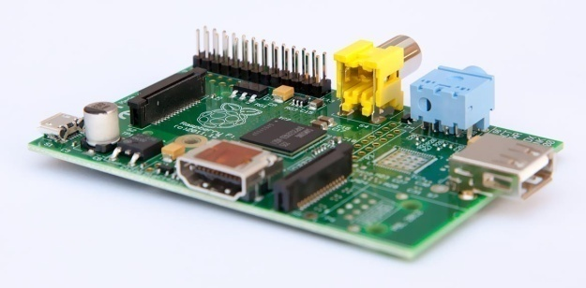
Raspberry Pi as base station

Peperomia(Radiator Plant)
Living conditions for Peperomia(Radiator Plant)

air humidity | > love warm humid conditions
temperature | > Minimal temperature: 13-15°C (55-59°F) > Optimal temperature: 24-28°C (75-82°F)
CO2 concentration | > 40 ppm or 950 ppm CO2
soil moisture | > humus-peat-loosely > avoiding wetting the crown of the plant > Soil Range: Sandy Loam to Loam > Water range : Normal to Normal > avoiding wetting the crown of the plant
light exposure | > bright and mid-shade > best cultivated in a light

Kalanchoe
Living conditions for Kalanchoe

air humidity | > plenty of air flow around plant material. Problem : Powdery mildew is another possible disease problem for kalanchoe. Powdery mildew can be difficult to recognize on kalanchoe because only fine webbing will develop. Leaves may be mottled and have yellow spotting, dead flecks, line or ring spot patterns. Plants may be stunted and not flower.
temperature | > During Night = 45-65 °F (7.2 - 18.3)ºC > During Day = 50-70 °F (10- 21)C > Cool night temperatures prolong flower life Note : They prefer warmth. Do not let fall below 55ºF. (12.7778 ºC)
CO2 concentration | > 40 ppm or 950 ppm CO2
soil moisture | > can be damaged by over watering > Allow the soil to dry slightly between waterings Note : Water moderately throughout the summer and reduce watering in the winter. Let the soil surface dry out between waterings, and in the winter, the plant can almost dry out. Watch the fleshy leaves for signs of water distress.
light exposure | > full sun and a well-drained potting media > tolerate bright indoor light levels well > plants tend to get spindly in low light conditions. > 14 to 16 hours each day to block all light

Steps :
Step 1 : | Place your kalanchoe plant in bright light. Place your kalanchoe in an east- or west-facing window during spring and summer. Place your kalanchoe in a south-facing window from about November to March. Place your kalanchoe in a lightly shaded area in a green house or outdoors if you don’t want to grow it inside.
Step 2 : | Keep your kalanchoe warm.Temperatures between 55ºF and 80ºF (12.7 to 29 ºC) are ideal.
Step 3 : | Allow the soil surface to dry out before re-watering it. Then, water the plant until water drains out the pot bottom. Discard any water collected in trays or saucers.
Step 4 : | Cut the kalanchoe back to 3” (7.6 cm) with pruning shears after it finishes blooming. Blooming can last as long as 3 months. needed.
Step 5 : | Set the pot back away from bright light and don’t water the pot for a month after you’ve pruned it.
Step 6 : | Bring the pot back into a bright window after a month and water it well.
Step 7 : | Fertilize the kalanchoe with a blooming houseplant fertilizer according to label directions after watering and then once a month until November.
Step 8 : | Remove any dead leaves and dust growing leaves with a damp cloth if needed.

Positioning of sensors
Positioning

 |  | Light 1 |  | Light2

sink

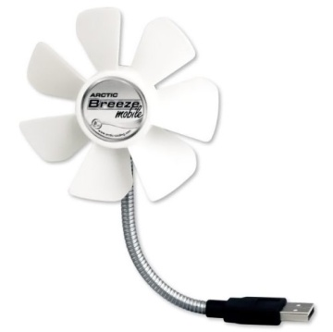
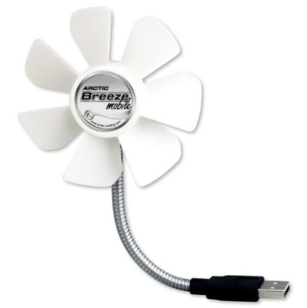
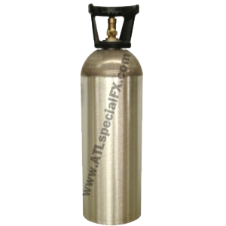
 | fan1 |  |  |  | fan2

 |  |  |  |  |  | 5 nodes
 |  |  |  |  |  | 1 sink | to collect all the data

 |  |  | co2 tube
 |  | usb heater |  | usb heater

Soldering of sensors
Soldering of Sensors

Steps for Soldering moisture sensor:
1.ADC pin are soldered in Xm1000 nodes (Operational Amplifiers Array (LM324).
2.Soil moisture wires (Bare, Red and Black wire) are soldered with pin connector.
Soil Moisture Sensor Probe Wiring Table :
Bare Ground (PIN 9 : GND)
Red POWER: 3.3V to 20 VDC. (PIN 1: DVCC)
Black OUT: (0 to 3V ) ( PIN 7 : ADC 2)
3.Soil Moisture sensor is connected to xm1000 nodes in following order :
PIN 1 Power
PIN 7 Output
PIN 9 Ground
4.Same steps are repeated with second soil moisture.
5.Testing through multimeter (Volt-Ohm meter) to check the proper voltage supply and wire connection.
Steps for Soldering CO2 sensor:
1.ADC pin are soldered in Xm1000 nodes with Operational Amplifiers Array (LM324).
2.51pin connector is soldered with both DS1000
3.Pcb –board and DS1000 attached with each other.
4.XM1000 , PCB-board and DS1000 Sensor are attached.
5.DS1000 Board and SH-300-DC are connected using DC 9V adapter jack
6.DS1000 board, PCB-board, SH-300-DC and Xm1000 are attached together.

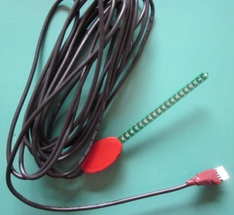

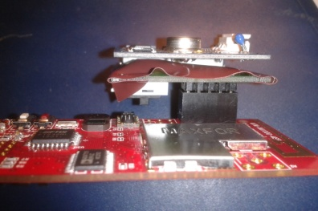

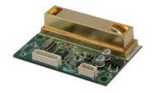

Learning’s:
1.How to do soldering.
2.There should not be any gap between connector and node/board while soldering.
3.While soldering, soldering part should be covered. There should not be any lose connection.

References
References

Xm1000
http://www.advanticsys.com/shop/asxm1000-p-24.html
http://www.advanticsys.com/wiki/index.php?title=XM1000
DS1000
http://www.advanticsys.com/shop/mtsds1000-p-13.html
VH400
http://www.vegetronix.com/Products/VH400/
http://www.cheapvegetablegardener.com/how-to-use-vegetronix-soil-moisture/
SHT11
http://www.aestheticacoustics.com/SHT11_02.htm
http://www.instructables.com/id/VISUALIZE-humidity-with-the-SHT11-sensor/
http://www.sensirion.com/en/products/humidity-temperature/humidity-sensor-sht11/
http://www.adafruit.com/products/246#Description

Team members
Team Memebers

GROUP 1
1. Arjun Maryankandy Rajendran (arjun.maryankandy_rajendran@stud.tu-darmstadt.de)
2. Konstantin März (konstantin-maerz@web.de)
3. Mohammed Refat Chowdhury (mohammed_refat.chowdhury@stud.tu-darmstadt.de)
4. Pratyush Agnihotri (pratyush.agnihotri@stud.tu-darmstadt.de)
5. Rick Nitsche (ricknitsche@gmx.de)

